Sample Bill
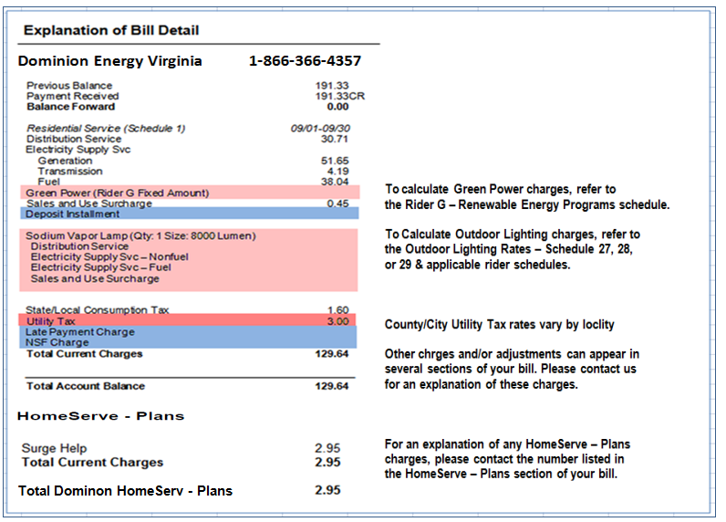
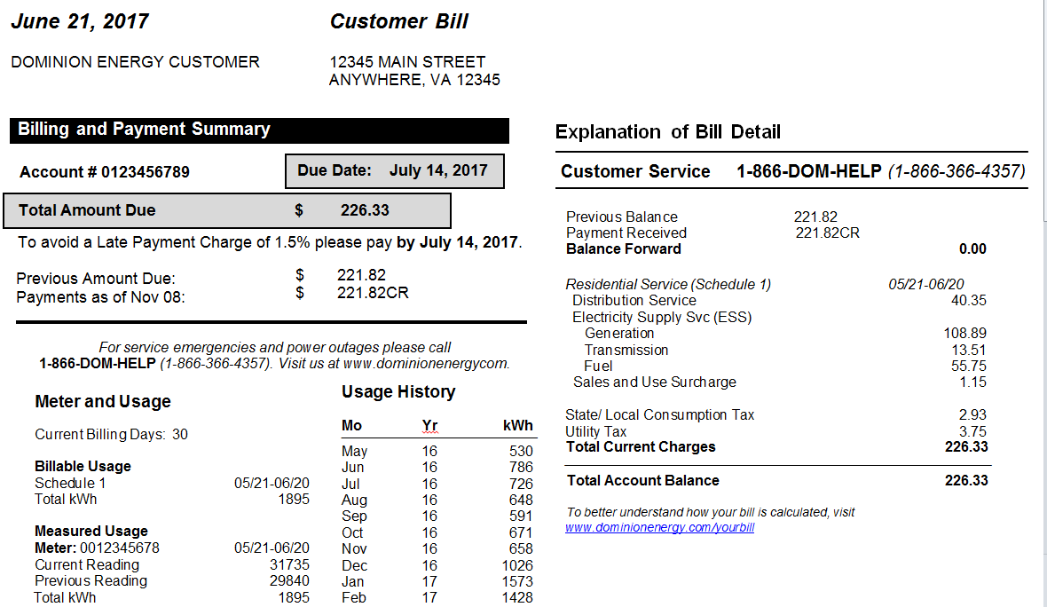
Required Field #1

The rate worksheet will
calculate these charges.

Required Field #2

Required Field #3

